INTRODUCTION
Welcome to Bowls South Africa Green Level Points Calculator Rev 6XX for green of 38m with 3m spacing

This is a new release of the previous versions of Ron Cubitt's Spreadsheets, with the following changes:

1. This template is used for greens of dimensions 37 to 39m long and wide, with 3m spacing between points.
 | Use the start and end point offset distances from the ditches (table or calculations ) as below:
 | Length (m) | Spacing (m) |  | Or calculate according to green :
 | 37.00 | 0.50 |  | Green Length (North South) |  | 38.00 | m
 | 37.50 | 0.75 |  | Spacing of points inbetween |  | 3.00 | m
 | 38.00 | 1.00 |  | Offset from each ditch |  | 1.00 | m
 | 38.50 | 1.25 |  | Green Width (East West) |  | 38.00 | m
 | 39.00 | 1.50 |  | Spacing of points in between |  | 3.00 | m
 |  |  |  | Offset from each ditch |  | 1.00 | m

2. The same workbooks are now used for dumpy and laser level usage, assuming the laser is used as a
 | dumpy to merely read off the height (level) on a staff and the level captured as per dumpy levelling.
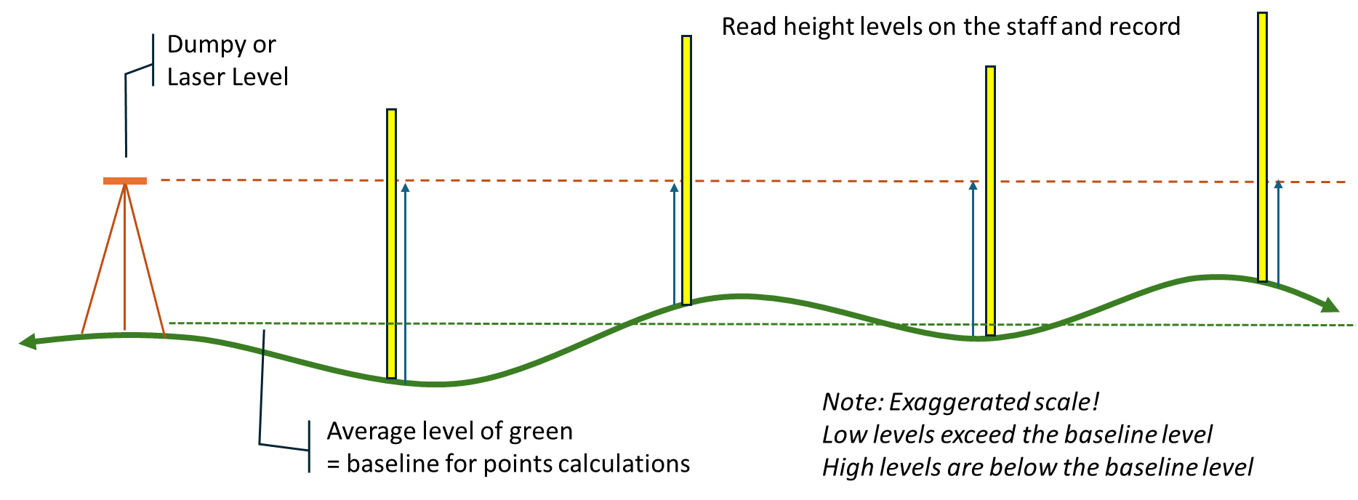

3. The average green level is now used as the baseline for computing the BSA level points and fill/cut volumes.
 | Previously Cubitt used the MODE as the baseline, which leads to errors
 | when the level data points are not normally distrusted (i.e. forms a bell-shaped curve)
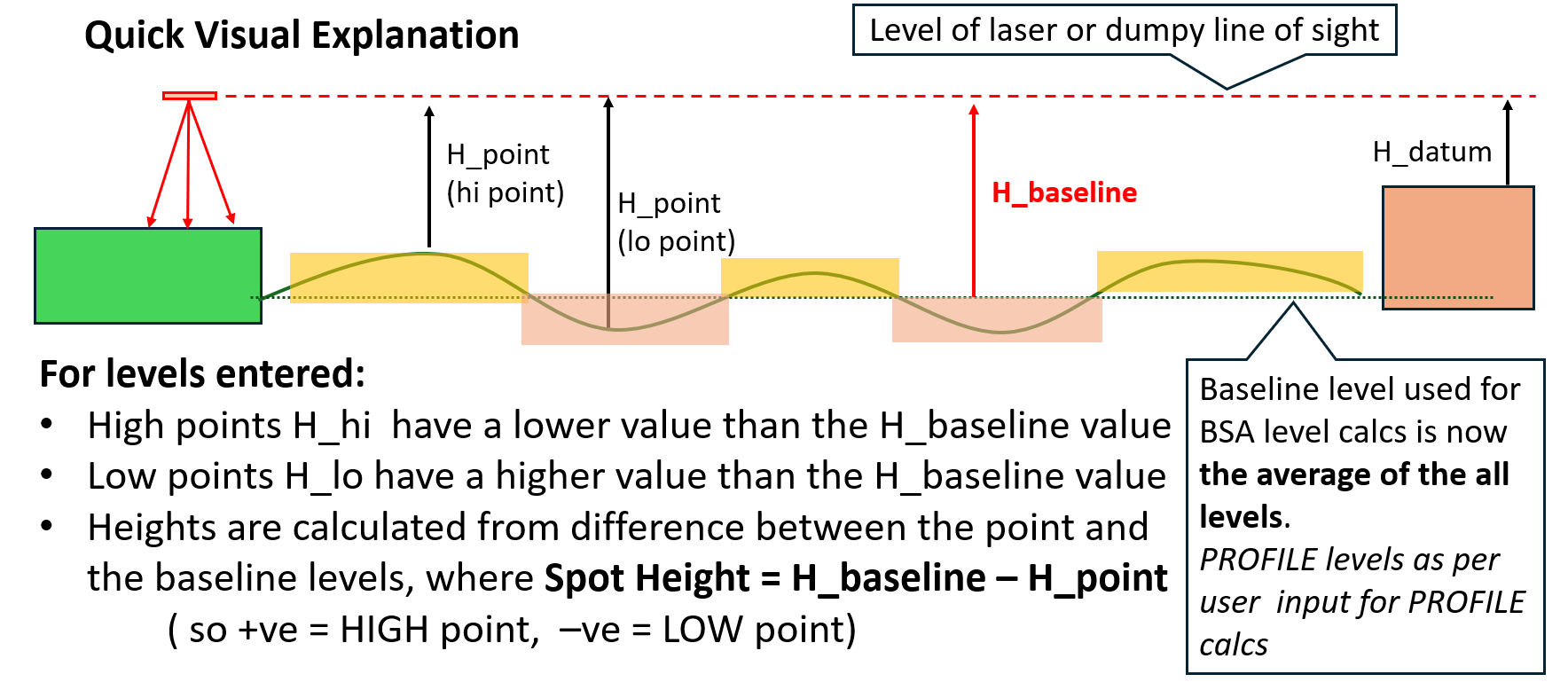

4. Conventions used: |  | input | cells in yellow highlights and BLUE text is used for inputs.
 |  | All cells other than those for data entry will be write protected.
 |  | BLACK is used for text, RED is used for automated references or calculations.

 |  | Drawn up by Nic Marais (20 June 2026)

 | ENJOY TESTING THIS OUT! |  |  | © | Nic Marais 1 May 2026

